ExpenseReport
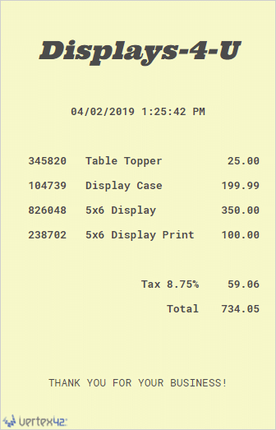
Reimbursement Form
Organization / Department Name |  |  |  |  | Reimbursement Form Templates
 |  |  |  |  | © 2019 by Vertex42.com
 |  |  |  | Request Date
 | Requester Name: |  |  | 2019-04-17 | ► More Business Templates
 | Phone: |  |  |  | ► Weekly Expense Report
 | Email: |  |  |  | ► Travel Expense Report

Make Check Payable To |  |  |  |  | Instructions
 | Name: |  |  |  | 1. Complete the form.
 | Address: |  |  |  | 2. Insert images of receipts below the form.
 | City, State, Zip: |  |  |  | 3. Save As a PDF.
 | Check Memo: |  |  |  | 4. Email the PDF for approval.

Describe Purpose

Itemized Expenses |  |  |  | [42]
One row per receipt. Attach or include digital images of receipts.
ITEM | DATE | DESCRIPTION | RECEIPT | COST | Add Receipts
1 | 2019-04-02 | Supplies Inc - Office Supplies | Attached | 46.19 | See below
2 | 2019-04-02 | Displays 4 U - Table top display case | Attached | 734.05
3 | 2019-04-02 | Yummy Eats - Business Meal with Client | Attached | 42.02
4
5
6
7
8
9
10
Note: Mileage reimbursement for personal vehicle = $0.XX/mile |  |  | TOTAL | $822.26

 |  |  |  | Don't forget to include receipts!
Approval

Approved By (Name) |  |  | Position

Signature |  |  | Date

Receipts |  |  |  |  | Add Receipts
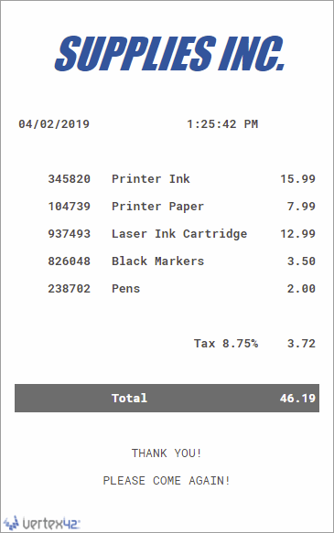
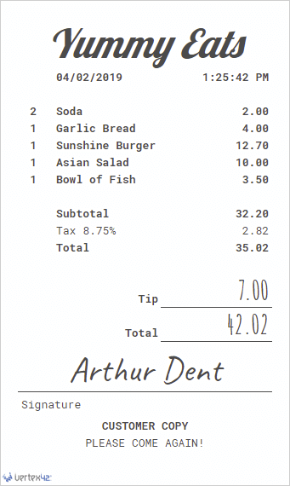
 |  |  |  |  | ◄ Insert images of receipts below the form.
 |  |  |  |  | ( Insert > Illustrations > Pictures )

 |  |  |  |  | Go to View > Page Break Preview
 |  |  |  |  | to control pagination for multiple receipts.

